CO2 Solubility in Water Chart
CO2 Solubility versusPressure and Temperature

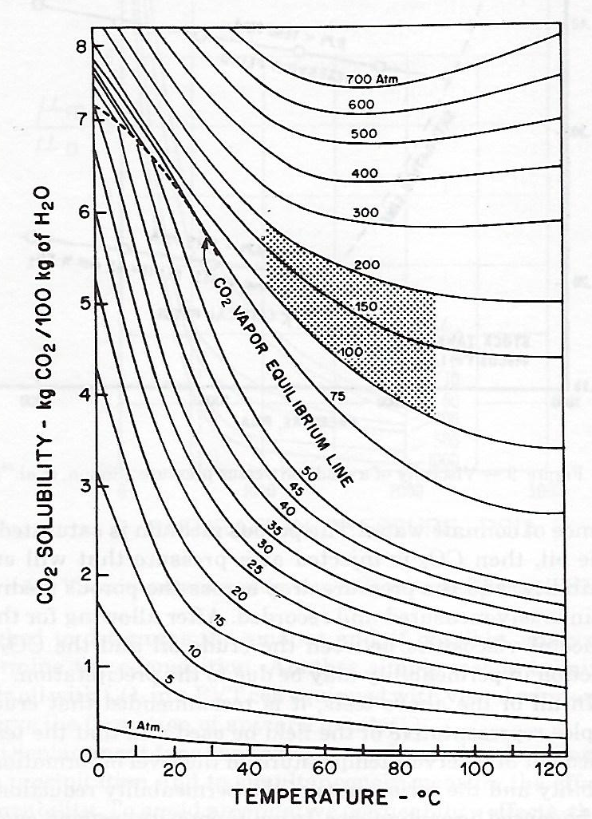

from IOCC Improved Oil Recovery, 1983

